Cover
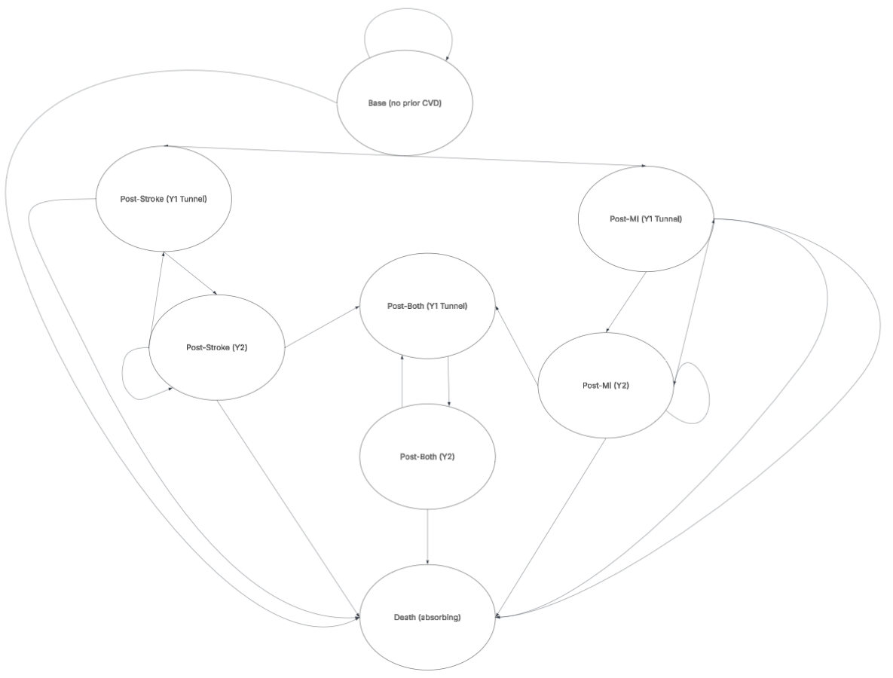 Markov model skeleton: Periodontal Therapy (severe) → CVD outcomes Stroke and coronary heart disease (CHD) States: 0 Base (no prior CVD) 1 Post-Stroke (Y1 tunnel) 2 Post-Stroke (Y2+) 3 Post-CHD (Y1 tunnel) 4 Post-CHD (Y2+) 5 Post-Both (Y1 tunnel) 6 Post-Both (Y2+) 7 Dead (absorbing) How to use: • Put inputs on the Parameters sheet. • Transition_Arms computes transition matrices for Base and Treated. • Trace_* multiply the state distribution by the matrix each cycle. • Results aggregates discounted costs & QALYs and computes ICER. Assumptions: • Competing risks per cycle for stroke, CHD, and background mortality; one event per cycle. • Y1 tunnel suppresses within-cycle competing events (simplification). • Recurrent events allowed from Y2+ and Post-Both Y2+. • Treated arm uses hazard ratios you set in Parameters.

PSA_Results
...
Less effective and more costly
 | PSA Iterations | 10000 | Proportion CE | 15.51%
 |  |  | WTP | 5000
 |  |  |  | -12295.313277
Cost-Effectiveness Plane
0.3487576452 | £12,148.97
0.23160648904 | £3,428.04
0.13876266332 | £10,868.40
0.058658948461 | £11,589.64
0.55058394933 | £5,941.06
0.24276620469 | £11,445.25
0.4495407828 | £6,473.42
0.34858675931 | £13,963.78
0.57839941404 | £13,241.02
0.8016604699 | £11,893.45
0.12321978692 | £4,654.80
0.75211261636 | £4,277.14
0.35997998019 | £9,864.52
0.23405919224 | £9,169.43
0.28260707279 | £6,905.02
0.52682915598 | £14,001.68
0.08378181066 | £10,552.30
0.74586457014 | £7,642.84
0.1212378516 | £8,982.01
0.12137228935 | £3,140.63
0.65530703759 | -£1,451.16
0.24126220175 | £2,806.12
0.42908024349 | £10,176.88
0.69687056286 | £5,964.32
0.050164847918 | £7,174.41
0.19513457812 | -£11,333.69
0.21540844503 | £5,328.08
-0.00030035835951 | £12,636.88
0.30403762648 | -£435.43
0.13863627906 | £2,438.06
0.061997621288 | £17,259.15
0.87876500993 | £7,373.72
0.074828627295 | £10,225.13
0.26099475325 | £4,329.10
0.3091066394 | £4,609.75
0.21167176058 | £12,931.28
0.96431987241 | £2,924.67
0.53932768541 | £21,014.68
0.90624291563 | -£793.71
0.41248547371 | £5,246.86
0.11880832689 | £1,565.63
0.33705015473 | £6,337.12
0.94612588262 | £8,769.03
0.60037025508 | £15,074.86
0.30816320884 | £4,164.17
0.22257147375 | £11,088.35
0.33640353203 | £1,618.97
1.1283718106 | £9,740.55
0.52908017393 | £8,555.40
0.25482758535 | £13,912.20
...
 |  |  |  | -10405.179425
More effective and more costly
 |  |  |  | -2270.0085633
 |  |  |  | -10174.582264
 |  |  |  | -11296.341267
 |  |  |  | -3188.1381708
 |  |  |  | -10231.41508
 |  |  |  | -4225.7130299
 |  |  |  | -12220.846291
 |  |  |  | -10349.025545
 |  |  |  | -7885.1456395
 |  |  |  | -4038.7016661
 |  |  |  | -516.57354833
Average ICER |  |  |  | -8064.6188292
£27,398 |  |  |  | -7999.1357509
 |  |  |  | -5491.9802331
 |  |  |  | -11367.533605
 |  |  |  | -10133.392946
 |  |  |  | -3913.5137075
 |  |  |  | -8375.8214501
 |  |  |  | -2533.7707443
 |  |  |  | 4727.6989805
 |  |  |  | -1599.8086355
 |  |  |  | -8031.4774802
 |  |  |  | -2479.9698825
 |  |  |  | -6923.5875728
 |  |  |  | 12309.365671
 |  |  |  | -4251.0353218
 |  |  |  | -12638.379693
 |  |  |  | 1955.6213002
 |  |  |  | -1744.8794825
 |  |  |  | -16949.159912
 |  |  |  | -2979.8949886
 |  |  |  | -9850.9828449
 |  |  |  | -3024.1299634
 |  |  |  | -3064.2163085
 |  |  |  | -11872.921546
 |  |  |  | 1896.930296
 |  |  |  | -18318.039851
 |  |  |  | 5324.9221696
 |  |  |  | -3184.4367184
 |  |  |  | -971.5835304
 |  |  |  | -4651.8662053
 |  |  |  | -4038.4029678
 |  |  |  | -12073.00842
 |  |  |  | -2623.3510965
 |  |  |  | -9975.4884818
 |  |  |  | 63.045005367
 |  |  |  | -4098.6875045
 |  |  |  | -5909.9991958
 |  |  |  | -12638.065879
 |  |  |  | -7740.3996867
 |  |  |  | -2964.255729
 |  |  |  | -12961.560773
 |  |  |  | -11138.525976
 |  |  |  | -4100.4980758
 |  |  |  | -5947.899385
 |  |  |  | 608.0143427
 |  |  |  | -6654.994239
 |  |  |  | -10076.631975
 |  |  |  | -2169.8622515
 |  |  |  | -4337.9762165
 |  |  |  | 1448.4954669
 |  |  |  | -12802.500306
 |  |  |  | -10003.926731
 |  |  |  | -5904.2562294
 |  |  |  | 5217.1199519
 |  |  |  | -9858.2758436
 |  |  |  | -9156.0157665
 |  |  |  | -4392.6518497
Less effective and less costly
More effective and less costly
 |  |  |  | -7173.8973865
 |  |  |  | -9509.5363928 | -6927.4704188
 |  |  |  | -10924.083751 | -8654.98949
 |  |  |  | -3868.7889893 | -725.62368844
 |  |  |  | 2137.9603014 | 3772.4887054
 |  |  |  | -6835.9346873 | -6134.2067889
 |  |  |  | -4640.9945586 | -2956.9747524
 |  |  |  | -8944.9752972 | -6861.5948823
 |  |  |  | 190.25646103 | 3360.9440964
 |  |  |  | -4259.7599811 | -2238.5182967
 |  |  |  | -2159.1267718 | 501.74421866
Cost-Effectiveness Acceptability Curve
 | Cost-Effectiveness Acceptability Curve
5000 | 15.51%
10000 | 25.56%
15000 | 35.73%
20000 | 45.72%
25000 | 54.30%
30000 | 62.08%
35000 | 67.76%
 |  |  |  | 1566.486595 | 5064.6373998
 |  |  |  | -7033.1824675 | -5330.6189798
 |  |  |  | -4101.0215801 | 5.9511633061
 |  |  |  | -13683.126881 | -13427.321823
 |  |  |  | -12656.845251 | -12029.702019
 |  |  |  | -3417.4998507 | 1214.6775731
 |  |  |  | 3468.7047032 | 6848.9661891
 |  |  |  | -10210.926221 | -8863.3886495
 |  |  |  | -10755.290141 | -10390.021442
 |  |  |  | -6986.1666216 | -4584.2182112
 |  |  |  | 1126.6995474 | 4064.6064783
 |  |  |  | -5482.1350196 | -4794.9743085
 |  |  |  | -11141.57116 | -10525.336267
 |  |  |  | -6720.1413055 | -3699.6856982
 |  |  |  | -9034.8573435 | -8531.4352443
 |  |  |  | -7884.0911794 | -5828.0592344
 |  |  |  | 4519.7975073 | 9280.6357783
 |  |  |  | -5005.7509772 | -3505.6285029
 |  |  |  | -3072.5712276 | -2065.2326728
 |  |  |  | -6130.5130798 | -3525.3849436
 |  |  |  | -9857.8586963 | -8143.1358982
 |  |  |  | -10356.023499 | -8179.6806144
 |  |  |  | -5380.5233595 | -3926.2767108
 |  |  |  | -2910.6931327 | 2084.056872
 |  |  |  | -8155.6623407 | -6704.5768586
 |  |  |  | -6731.1921506 | -3149.0404582
 |  |  |  | -9955.79687 | -8411.8014638
 |  |  |  | -4955.1979281 | -3735.7548721
 |  |  |  | -7406.633795 | -5816.0702849
 |  |  |  | -8453.5710978 | -7717.6684596
 |  |  |  | -12530.17045 | -11835.335759
 |  |  |  | -9163.3665314 | -8434.4841235
 |  |  |  | 6827.8843671 | 14026.683458
 |  |  |  | -336.54176669 | 836.99144367
 |  |  |  | -4247.7828134 | -3013.0080587
 |  |  |  | -1976.8194098 | -288.18257988
 |  |  |  | -12059.461969 | -11018.449553
 |  |  |  | 7233.4131108 | 10249.405049
 |  |  |  | -10798.272058 | -9365.8862376
 |  |  |  | 8877.1899665 | 13220.567592
 |  |  |  | -6837.2767707 | -6120.3201576
 |  |  |  | -5897.2684957 | 1149.6402179
 |  |  |  | -8693.3948226 | -7142.1005123
 |  |  |  | -16624.540978 | -15589.560386
 |  |  |  | -11172.957252 | -9862.3604932
 |  |  |  | -4940.9311552 | 1505.6627166
 |  |  |  | -12408.585372 | -11689.202877
 |  |  |  | 1460.3779669 | 3809.3337067
 |  |  |  | -1987.4810463 | -1307.1530022
 |  |  |  | -14353.682932 | -13519.446253
 |  |  |  | -6941.6579219 | -3066.0963245
NICE Threshold
 |  |  |  | 6995.5065858 | 12916.579072
 |  |  |  | -8149.7948425 | -7162.2278703
 |  |  |  | -3948.8340009 | -3714.4004451
 |  |  |  | -9977.7503533 | -7938.6883536
 |  |  |  | -994.41573068 | 456.10068273
 |  |  |  | -7152.3077052 | -5049.5085839
 |  |  |  | -8792.0587518 | -6753.1693969
 |  |  |  | -5941.4786668 | -3543.5082045
 |  |  |  | -6293.5485327 | -5696.2595782
 |  |  |  | -5043.0289949 | -2314.8636882
 |  |  |  | 41.372583388 | 1176.494971
 |  |  |  | -4423.5630098 | -766.60040706
 |  |  |  | -7228.6051529 | -5271.5527441
 |  |  |  | -8877.8169364 | -7682.0414769
 |  |  |  | -6062.4701636 | -4163.9781516
 |  |  |  | -10303.745637 | -9092.1968512
 |  |  |  | -5605.0472041 | -3724.9520505
 |  |  |  | 2123.7809392 | 3364.1321422
 |  |  |  | -9416.4520454 | -8409.1745012
 |  |  |  | -1340.0405633 | 478.59112884
 |  |  |  | 4708.1117156 | 9488.0167988
 |  |  |  | -5263.594587 | -4727.0599504
 |  |  |  | 10483.757853 | 12325.878496
 |  |  |  | -6959.9949563 | -6637.7616154
 |  |  |  | -9608.443134 | -6187.0669962
 |  |  |  | -10826.799581 | -10304.433025
 |  |  |  | -8254.5161539 | -7533.3327568
 |  |  |  | -8385.2895894 | -7738.2356579
 |  |  |  | -7542.5473377 | -6297.0777141
 |  |  |  | 549.93076034 | 3261.8107867
 |  |  |  | -1611.2982562 | 2138.4101352
 |  |  |  | -13593.87942 | -12258.914062
 |  |  |  | -8422.1442901 | -7362.7385826
 |  |  |  | -7250.2053309 | -4516.3306132
 |  |  |  | -2245.9932784 | 1257.3133245
...

